Fig_1
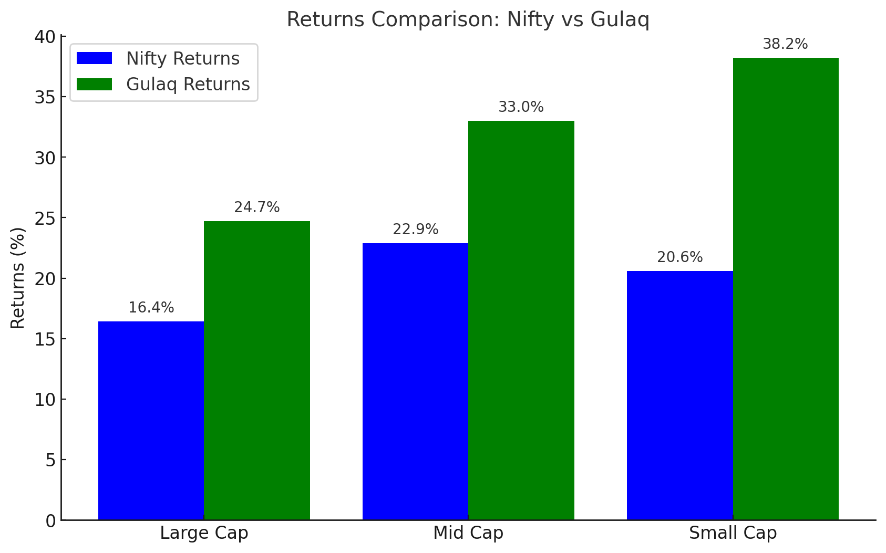
 | Nifty 100 | Gulaq Large Cap | Nifty Midcap | Gulaq Mid cap | Nifty Smallcap | Gulaq Smallcap
Annualized Return | 16.4% | 24.7% | 22.9% | 33.0% | 20.6% | 38.2%

Fig_02
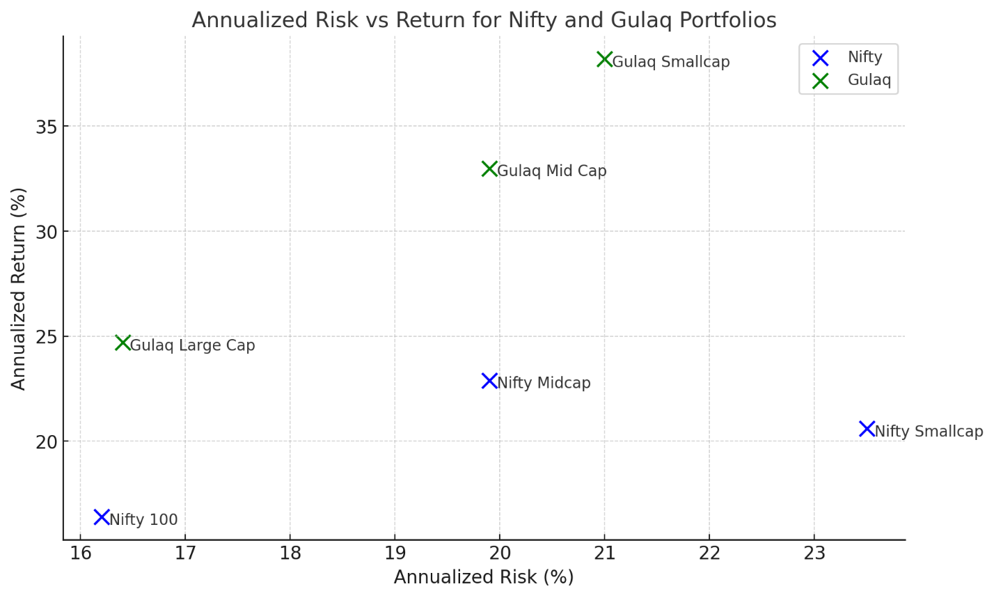
 | Nifty 100 | Gulaq Large Cap | Nifty Midcap | Gulaq Mid cap | Nifty Smallcap | Gulaq Smallcap
Annualized Risk | 16.2% | 16.4% | 19.9% | 19.9% | 23.5% | 21.0%
Annualized Return | 16.4% | 24.7% | 22.9% | 33.0% | 20.6% | 38.2%

Fig_3
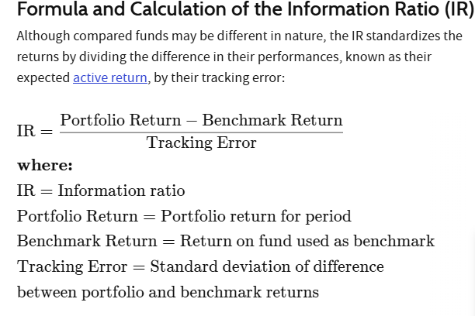
 | Gulaq Large Cap | Gulaq Mid cap | Gulaq Smallcap
Information Ratio | 0.63 | 0.69 | 1.32
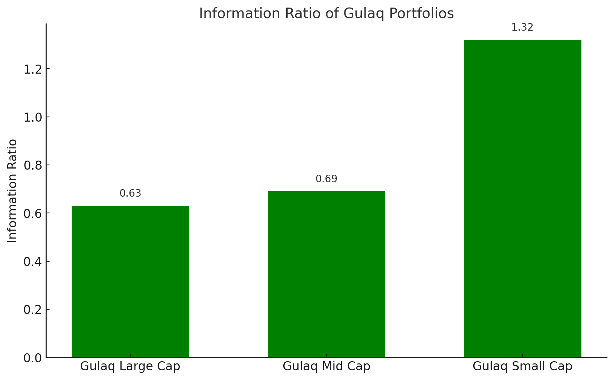

https://www.investopedia.com/terms/i/informationratio.asp

Fig_4
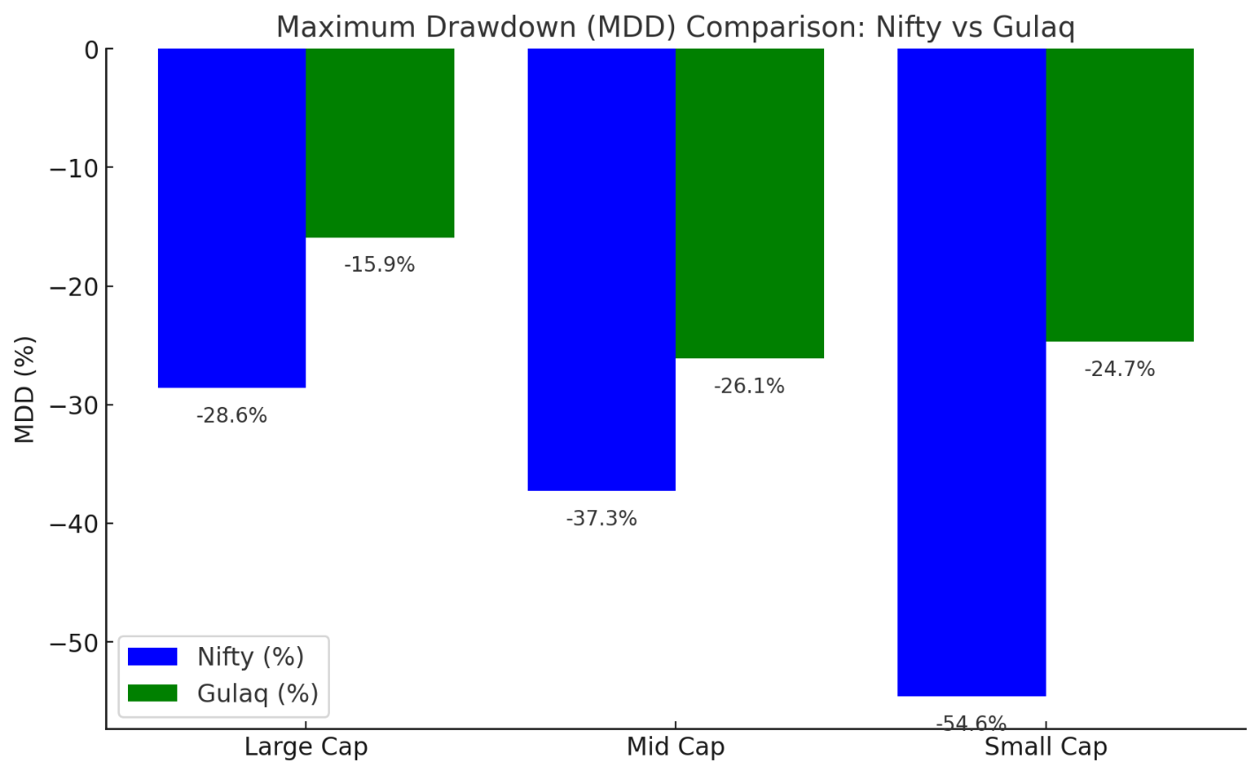
 | Nifty 100 | Gulaq Large Cap | Nifty Midcap | Gulaq Mid cap | Nifty Smallcap | Gulaq Smallcap
MDD | -28.6% | -15.9% | -37.3% | -26.1% | -54.6% | -24.7%

